Sheet1
ADD NEW COMMENT

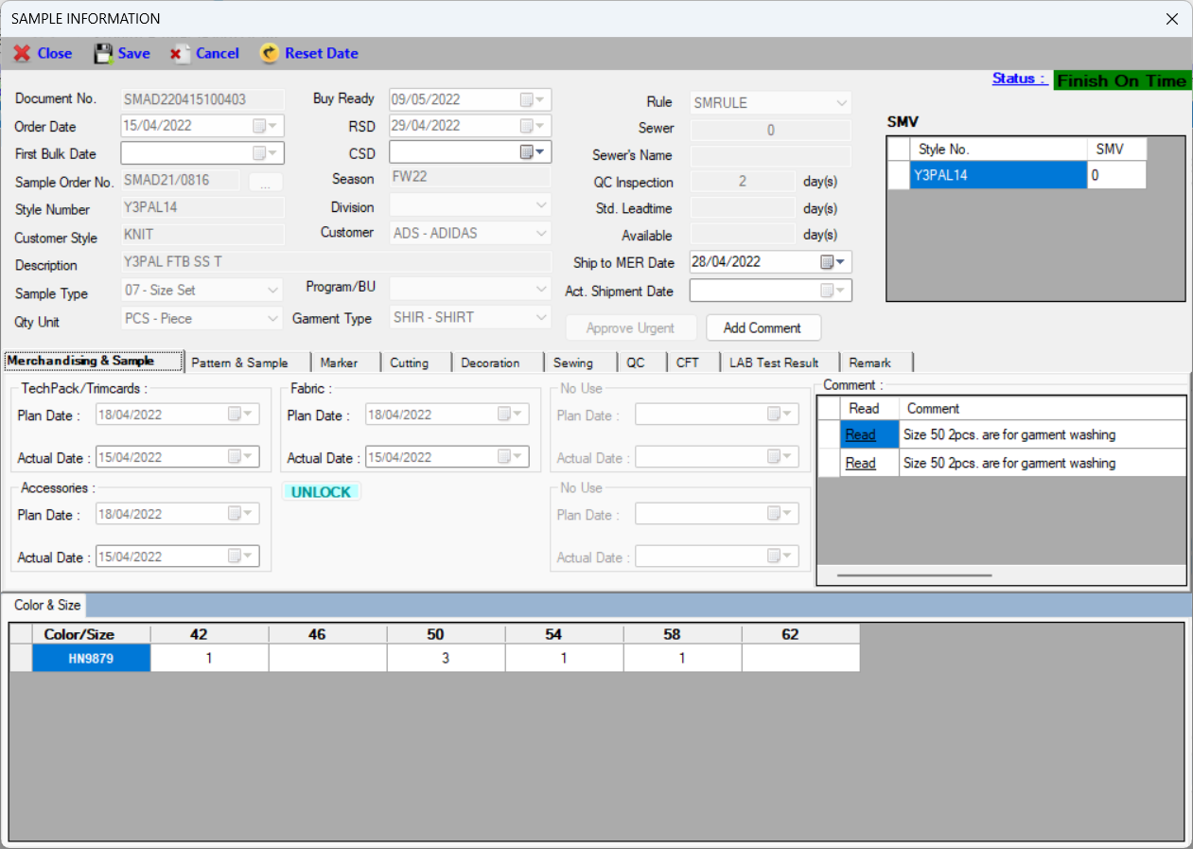
 | For adding the comment, you should select the stage of sample
 | Click the button "Add Comment" to add the comment

Click here to add the comment

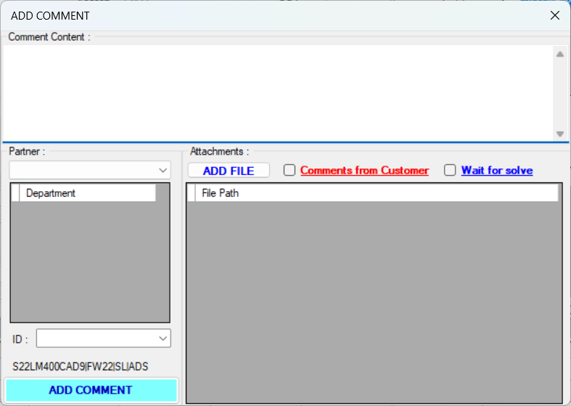
 | 1 | Write your comment here
 | 2 | Select the department which you wanna sent the comment to (double click the row to delete)
 | 3 | Attach the file or document (the file or document will auto link to DDT system)
 | 4 | If your comment is from Customer (usually in Mer), you should check this option
1
 | 5 | Choose to resolve or not resolve for your comment
 | 6 | The attached file or document list (double click the row to delete)
 | 7 | If your comment has the attached file or document, you should provide your ID (the DDT system needs you ID to store your file or document)
4
5
 |  | You just need to enter the last 5 numbers in your ID and then press enter, your ID will autocomplete
3
 | 8 | Click to add your comment

2

6

7

8

READ COMMENT

Sample ID

 |  | You will get the alert like this when there is the new comment or the new comment reply
 |  | You could click on the alert box to open details or search by Sample ID in SQ
 |  | If you don’t click and ignore the the alert, it will auto show at the specified time until you click and see detail the comment

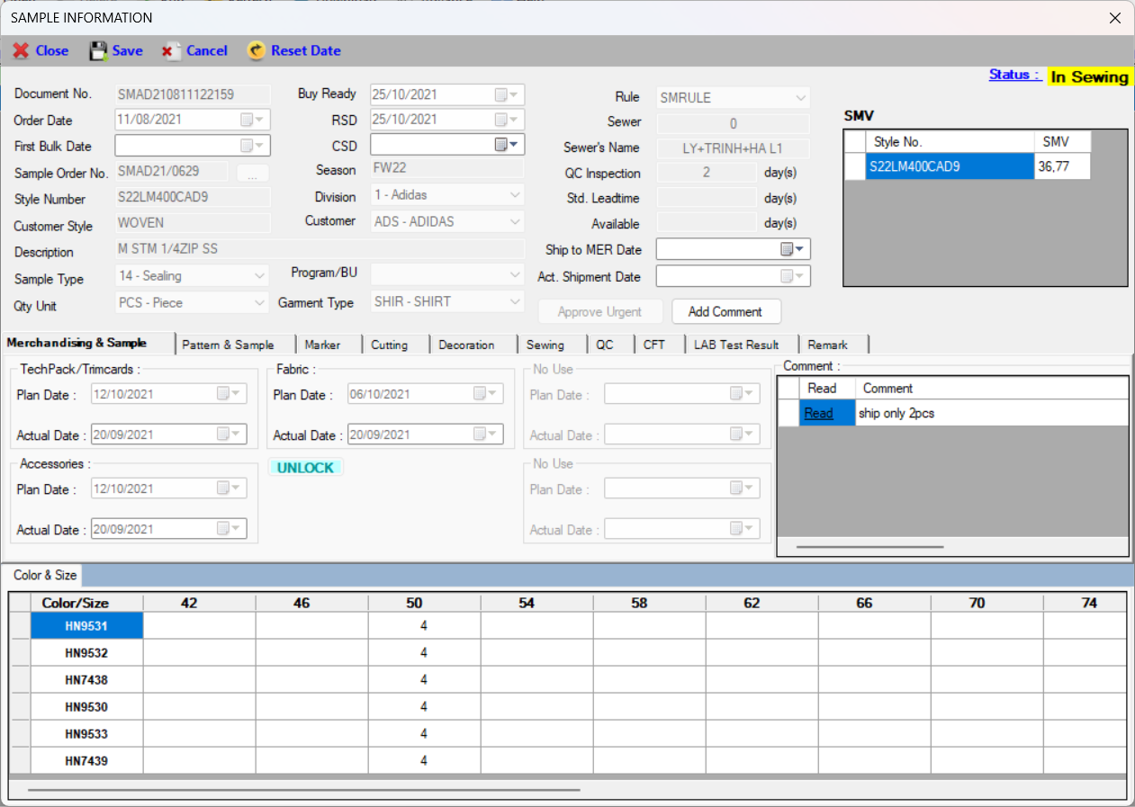

Click here to read the comment

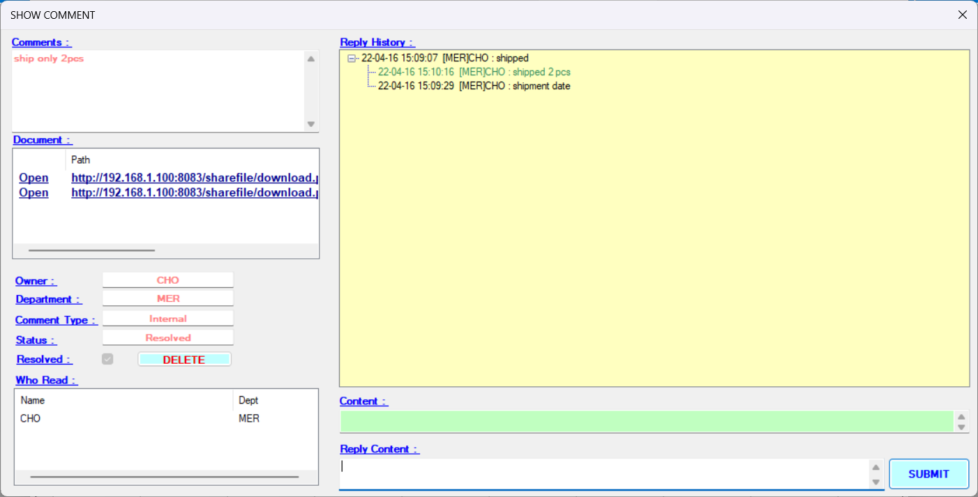
1
 | 1 | Showing the comment content
 | 2 | Showing the attached file or document
 |  | You could click Open to review the file or document (linked file or document from DDT system)
 | 3 | Showing the comment information
 |  | You also delete or change the resolved status if the comment is yours
5
 | 4 | Showing a list of people who have read comments
2
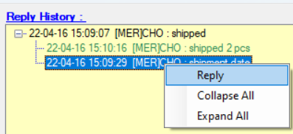
 | 5 | Showing the reply history of the comment
 |  | You could also reply any comment in the list by double click or right click/reply into the comment
 | 6 | The comment content which you select in Point 5
3
 |  | Blank : you reply with main comment
 |  | No blank : you reply with the comment you select in Point 5
 | 7 | The reply content
4
6
 | 8 | Submit your reply
8
7

